Classes
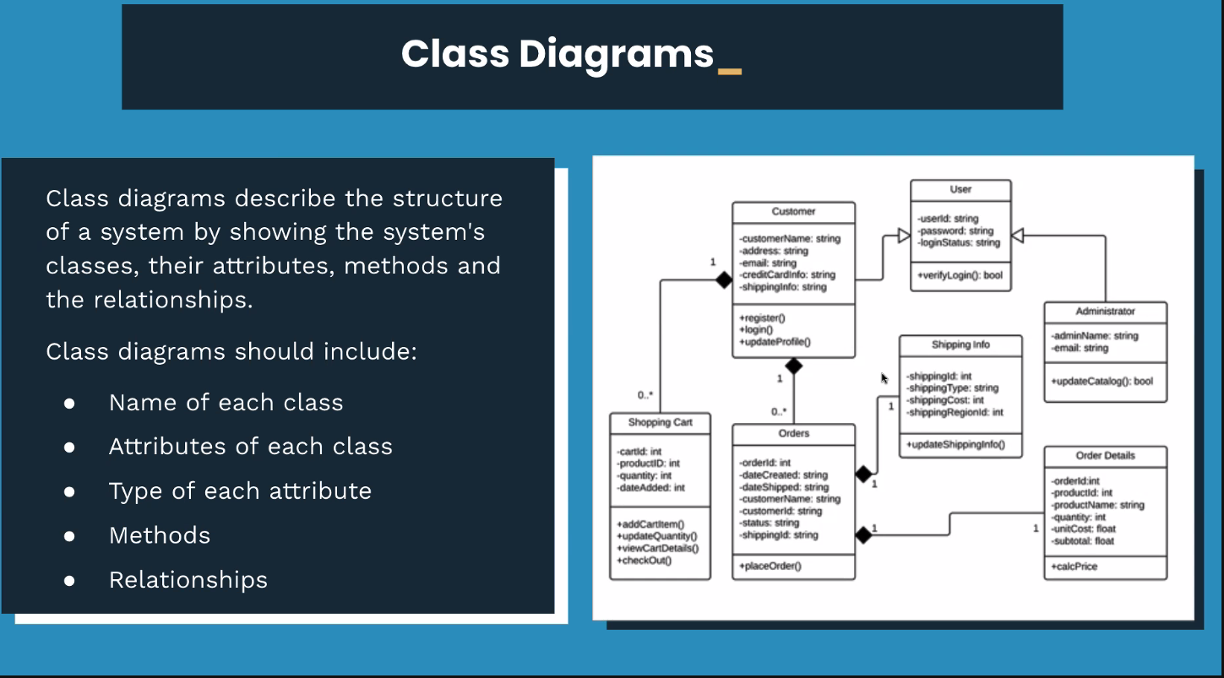
Start point for Classes |  | CRUD
1) Customer class |  | Create | save()
2) Session class |  | Read | select_all() | find_one()
3) Booking class |  | Update | update()
 |  | Delete | delete_one() | delete_all()

Customer |  | Booking |  |  | Session
Attributes |  | Attributes |  |  | Attributes
id | int -> None | id | int -> None |  | id | int -> None
name | string | customer | Customer() |  | name | string
(membership type) | string | session | Session() |  | type | string
(membership status) | boolean |  |  |  | date | string (for now)
(monthly_sessions_had) | int |  |  |  | start time | string (for now)
 |  |  |  |  | end time (or duration) | string (for now)
 |  |  |  |  | finished | boolean
 |  |  |  |  | (room) | int

Methods |  | Methods |  |  | Methods
add_customer() |  |  |  |  | add_session()
remove_customer()
update_membership_type()
update_membership_status()
update_sessions_had()

**These won't be in the classes, these will be in the repositories?

Case Diagrams
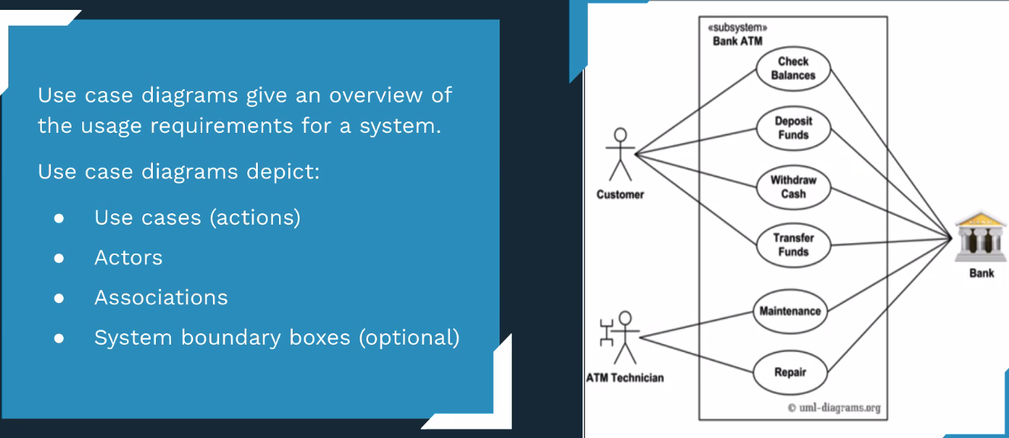

 | View all and individual training sessions

 | View all and individual customers

Staff Member | Book a customer into a training session | Gym

 | Change customer details including membership level and status

 | Add a new customer

 | Add a new training session

 | Change a training session

 | Cancel a training session

Activity Diagrams
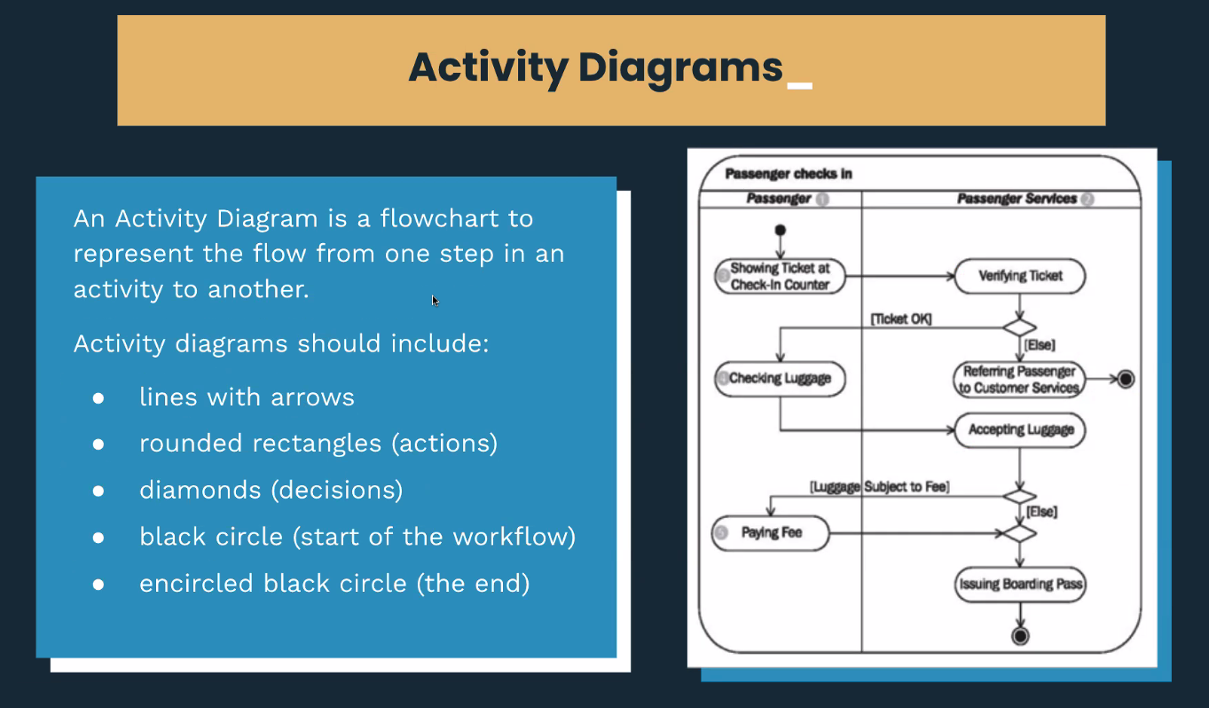

Customer being booked to a gym session

Customer | Gym

Asks to be booked in | Checks their membership status

 | (gate) | -> Membership Expired
 | |
 | |
 | Membership Status Good
 | |
 | |
 | Checks Sessions < Sessions.max for month

Object diagrams
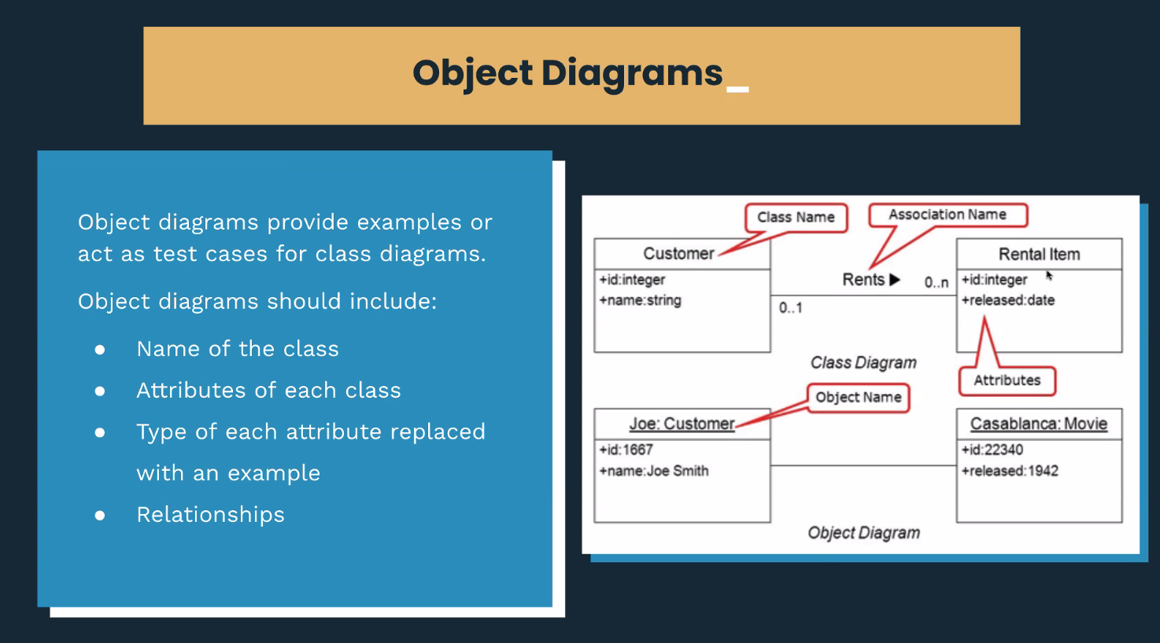

Customer |  | Booking | Session
Attributes |  | Attributes | Attributes
id | int -> None | customer | id | int -> None
name | string | session | name | string
(membership type) | string | room? | type | string
(membership status) | boolean | id | date | string (for now)
(monthly_sessions) | int |  | start time | string (for now)
 |  |  | end time (or duration) | string (for now)
 |  |  | finished | boolean
 |  |  | (room) | int

James: Customer |  | Booking | Xtreme Zumba: Session
Attributes |  | Attributes | Attributes
id |  | customer | id
name | James Mackay | session | name | Xtreme Zumba
(membership type) | Silver | room? | type | Endurance
(membership status) | Active | id | date | 2021-04-16
(monthly_sessions_had) | 3 |  | start time | 13:00:00
 |  |  | end time (or duration) | 16:00:00
 |  |  | finished | FALSE
 |  |  | (room) | 2

Implementation Constraints
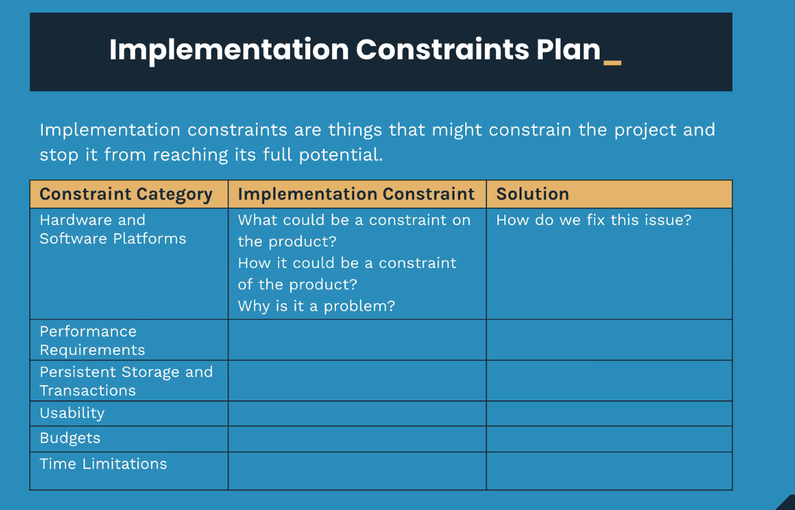

User Sitemap
